Sheet1
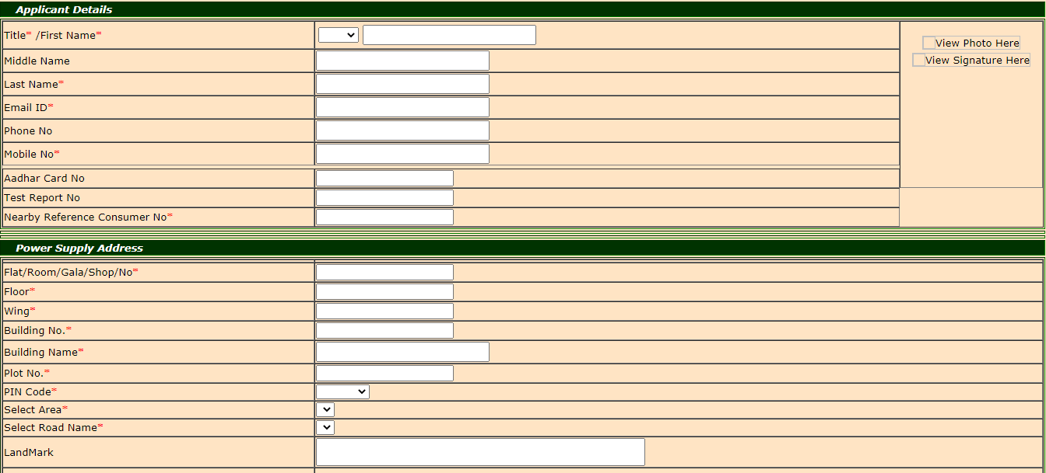
Answer No 3. |  | URL https://www.bestundertaking.net/NewConnection.aspx

 | Please find the feedback/improvements/suggestions as a Functional Quality Engineer and as an End - User in terms of Functionality/Usability/UI Aesthetics below:

1) | The "Transmission and Distribution……System" heading should be aligned properly

2) | Click on login link -> The page is redirecting towards login page.(https://www.bestundertaking.net/ConsumerLogin.aspx)
 | At login page, the highlighted line is not aligned properly.

3) | After putting all the details inside connection details field, the radio buttons of terms and condition column "YES" and "NO" are disabled
 | which should be enable to accept or reject the terms and conditions.

4) | Inside the applicant details, the abbrevation drop down of Title/FirstName is showing "Mrs." and "Smt." inside the drop down list
 | But the meaning of both the abbrevation is same.So, there is no need to show both abbrevation inside the list.

5) | In the "Whether power supply address is same as billing address " option the text of "N0" radio button should be "No".

6) | The Applicant details and Power supply address fields are fully expanded on the page where as "Connection details" and "Upload required documents" fields are aligned in the centre of page
 | This online form looks better if all fields of form are aligned in same way.

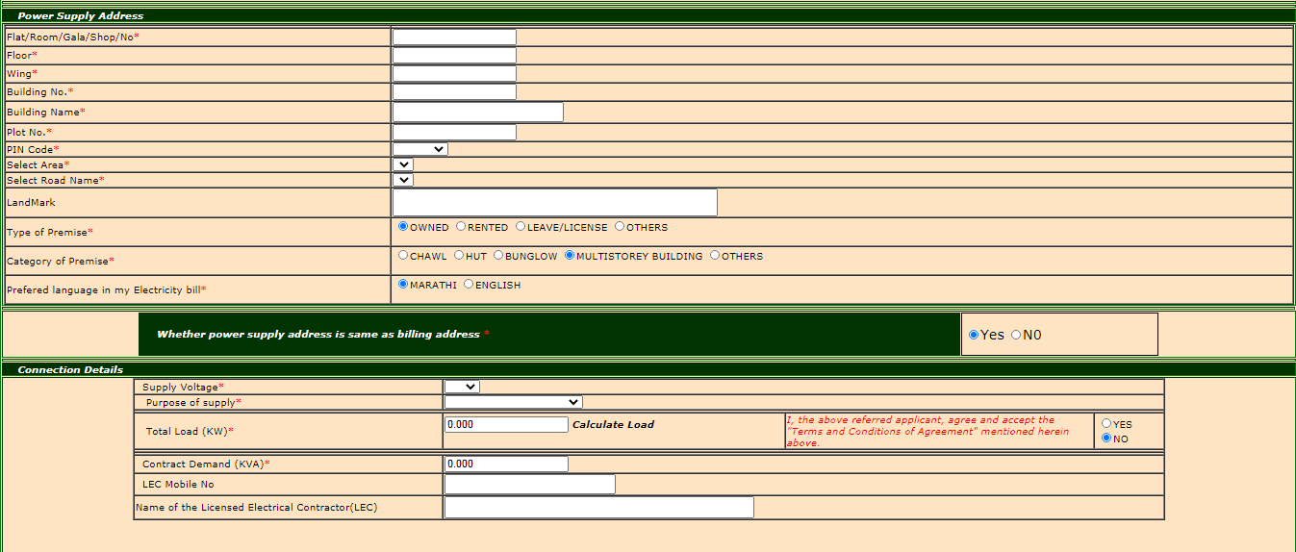

7) | All the textboxes of the form should be of same size.

